Summer 20 202110
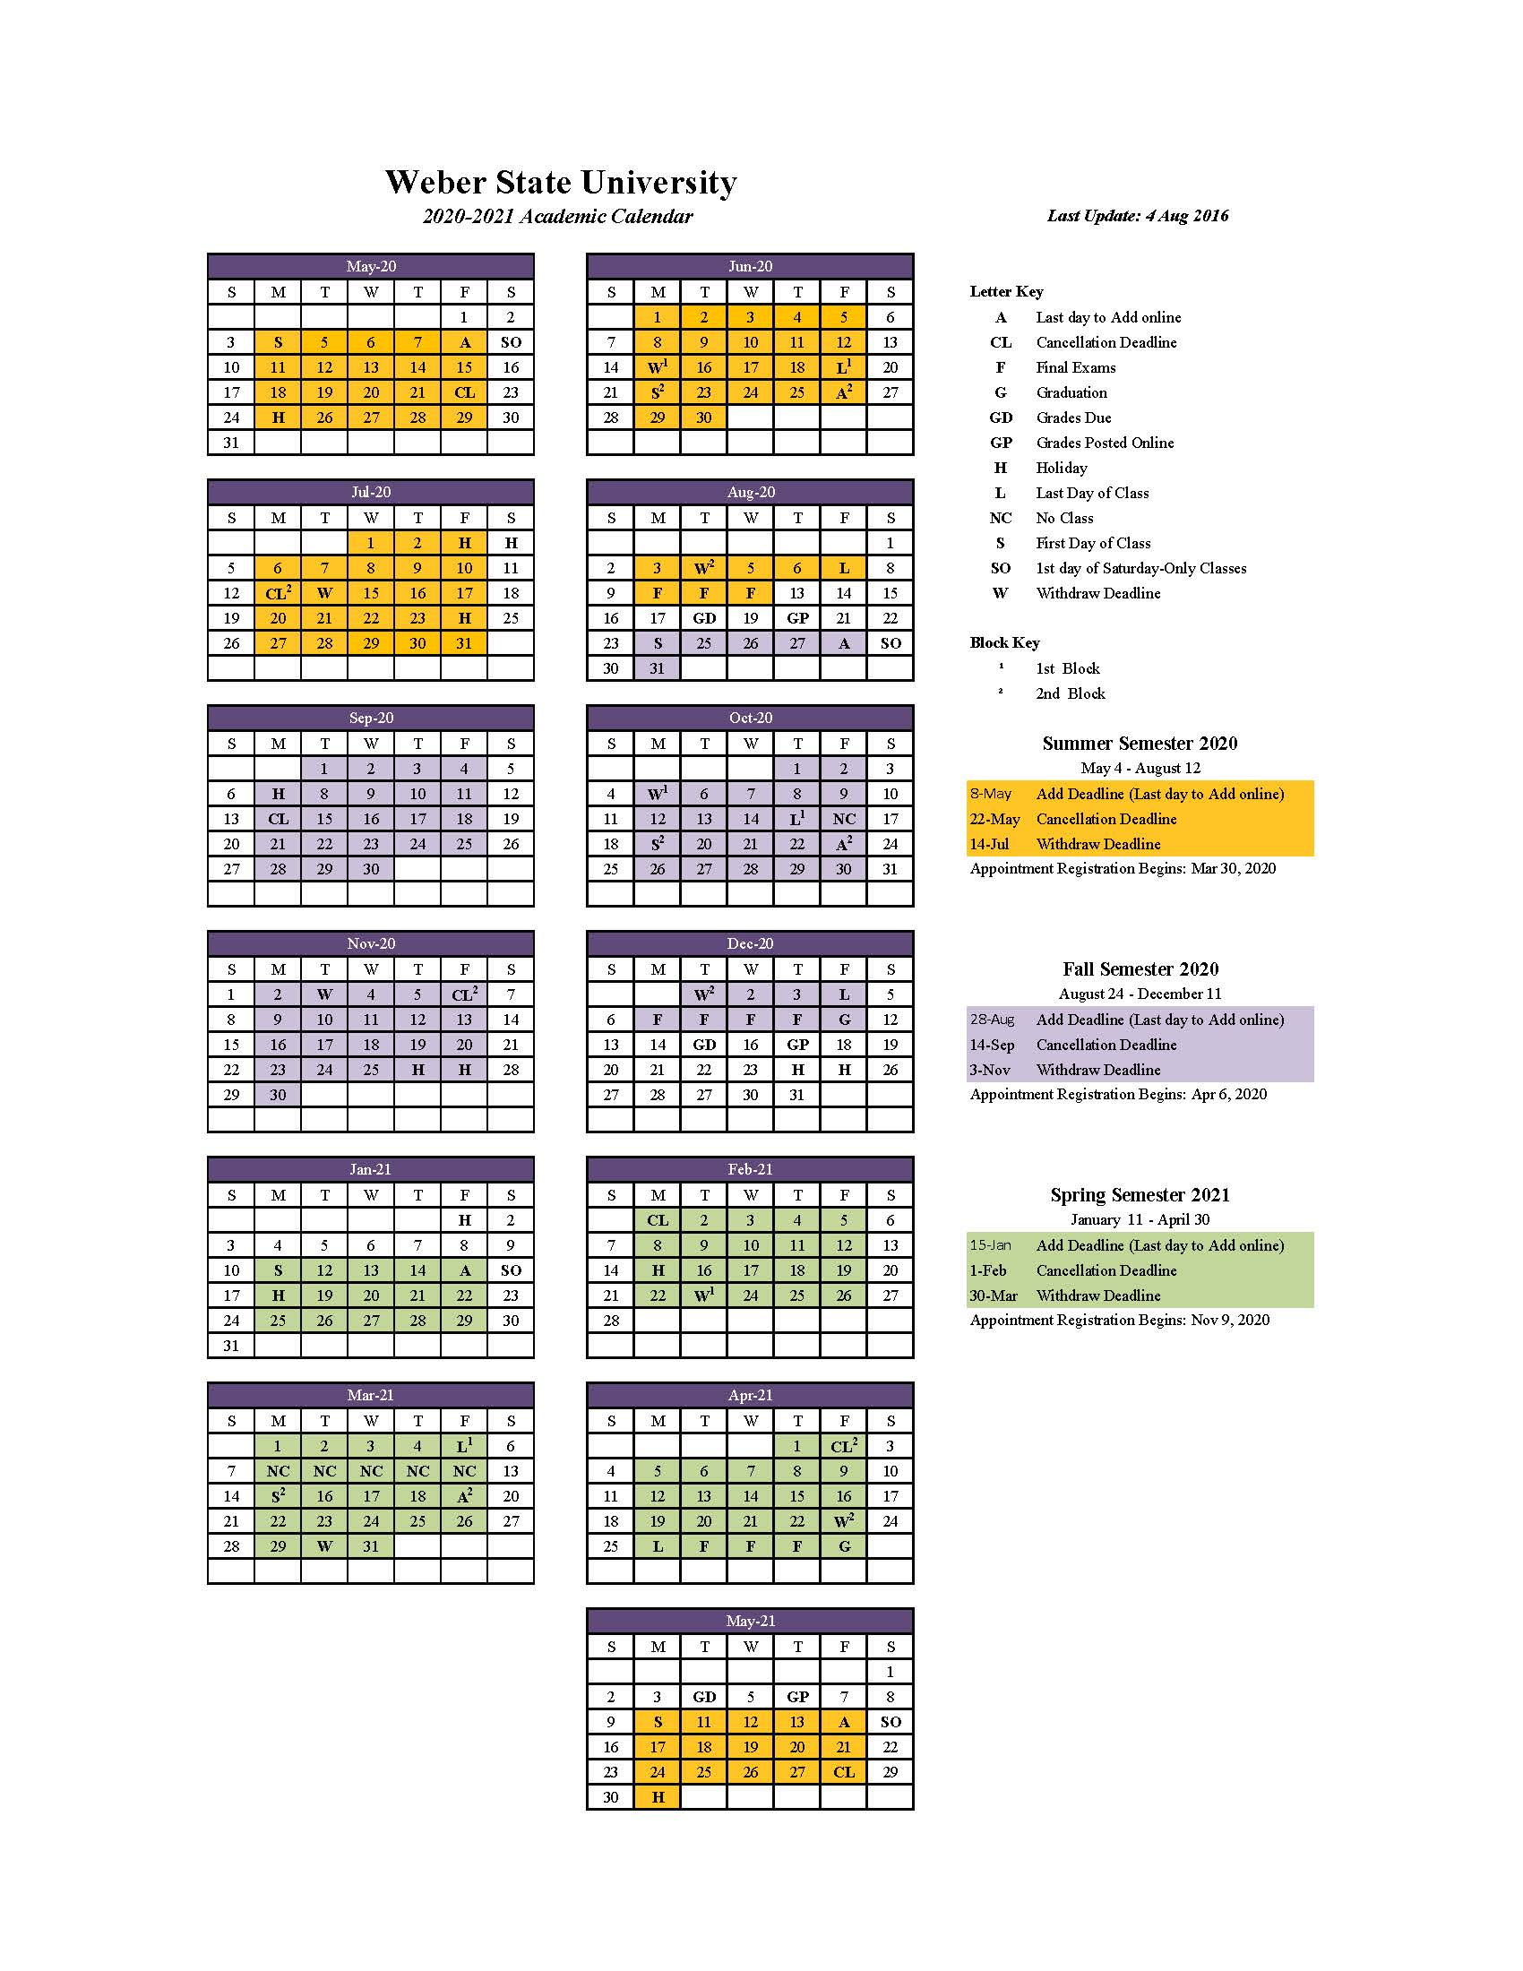
 | MONDAY | TUESDAY | WEDNESDAY | THURSDAY | FRIDAY
WEEK 1 | 4-May-2020 | 5-May-2020 | 6-May-2020 | 7-May-2020 | 8-May-2020
 | 1st Day Classes |  |  |  | Last Day to Reg Online

 | Day 1 | Day 2 | Day 3 | Day 4 | Day 5
WEEK 2 | 11-May-2020 | 12-May-2020 | 13-May-2020 | 14-May-2020 | 15-May-2020
 |  |  |  |  | Last Day to Add Classes

 | Day 8 | Day 9 | Day 10 | Day 11 | Day 12
WEEK 3 | 18-May-2020 | 19-May-2020 | 20-May-2020 | 21-May-2020 | 22-May-2020
 |  |  |  |  | Last Day to Cancel Classes

 | Day 15 | Day 16 | Day 17 | Day 18 | Day 19
WEEK 4 | 25-May-2020 | 26-May-2020 | 27-May-2020 | 28-May-2020 | 29-May-2020
 | HOLIDAY

 | Day 22 | Day 23 | Day 24 | Day 25 | Day 26
WEEK 5 | 1-Jun-2020 | 2-Jun-2020 | 3-Jun-2020 | 4-Jun-2020 | 5-Jun-2020

 | Day 29 | Day 30 | Day 31 | Day 32 | Day 33
WEEK 6 | 8-Jun-2020 | 9-Jun-2020 | 10-Jun-2020 | 11-Jun-2020 | 12-Jun-2020

 | Day 36 | Day 37 | Day 38 | Day 39 | Day 40
WEEK 7 | 15-Jun-2020 | 16-Jun-2020 | 17-Jun-2020 | 18-Jun-2020 | 19-Jun-2020
 |  |  |  |  | Last Day 1st Block

 | Day 43 | Day 44 | Day 45 | Day 46 | Day 47
WEEK 8 | 22-Jun-2020 | 23-Jun-2020 | 24-Jun-2020 | 25-Jun-2020 | 26-Jun-2020
 | 1st Day 2nd Block

 | Day 50 | Day 51 | Day 52 | Day 53 | Day 54
WEEK 9 | 29-Jun-2020 | 30-Jun-2020 | 1-Jul-2020 | 2-Jul-2020 | 3-Jul-2020
 |  |  |  |  | HOLIDAY

 | Day 57 | Day 58 | Day 59 | Day 60 | Day 61
WEEK 10 | 6-Jul-2020 | 7-Jul-2020 | 8-Jul-2020 | 9-Jul-2020 | 10-Jul-2020

 | Day 64 | Day 65 | Day 66 | Day 67 | Day 68
WEEK 11 | 13-Jul-2020 | 14-Jul-2020 | 15-Jul-2020 | 16-Jul-2020 | 17-Jul-2020
 |  | Last Day to W, CR/NC, AU

 | Day 71 | Day 72 | Day 73 | Day 74 | Day 75
WEEK 12 | 20-Jul-2020 | 21-Jul-2020 | 22-Jul-2020 | 23-Jul-2020 | 24-Jul-2020
 |  |  |  |  | HOLIDAY

 | Day 78 | Day 79 | Day 80 | Day 81 | Day 82
WEEK 13 | 27-Jul-2020 | 28-Jul-2020 | 29-Jul-2020 | 30-Jul-2020 | 31-Jul-2020

 | Day 85 | Day 86 | Day 87 | Day 88 | Day 89
WEEK 14 | 3-Aug-2020 | 4-Aug-2020 | 5-Aug-2020 | 6-Aug-2020 | 7-Aug-2020
 | EVALS | EVALS | EVALS | EVALS | Last Day Classes

 | Day 92 | Day 93 | Day 94 | Day 95 | Day 96
WEEK 15 | 10-Aug-2020 | 11-Aug-2020 | 12-Aug-2020 | 13-Aug-2020 | 14-Aug-2020
 | FINALS | FINALS | FINALS

 | Day 99 | Day 100 | Day 101 | Day 102 | Day 103
WEEK 16 | 17-Aug-2020 | 18-Aug-2020 | 19-Aug-2020 | 20-Aug-2020 | 21-Aug-2020
 |  | GRADES DUE |  | GRADES POSTED
 | Day 106 | Day 107 | Day 108 | Day 109 | Day 110
 | Fall Classes Start August 24, 2020

